Compile
Random Forest model: training and validation scores (1km buffer datasets)
Random Forest model traning and validation scores for 1km buffer datasets
1km_buffer | SS01_1K |  | TS01_1K |  | TS02_1K |  | TS03_1K |  | TS04_1K |  | TS05_1K |  | TS_Avg_1k
 | mean | std | mean | std | mean | std | mean | std | mean | std | mean | std | mean | std
Valid_accuracy | 0.76 | 0.04 | 0.70 | 0.03 | 0.70 | 0.08 | 0.70 | 0.05 | 0.68 | 0.02 | 0.70 | 0.04 | 0.70 | 0.04
train_accuracy | 0.81 | 0.01 | 0.74 | 0.01 | 0.75 | 0.01 | 0.75 | 0.01 | 0.73 | 0.02 | 0.75 | 0.01 | 0.74 | 0.01
Valid_precision | 0.80 | 0.05 | 0.70 | 0.03 | 0.76 | 0.12 | 0.73 | 0.06 | 0.71 | 0.04 | 0.70 | 0.06 | 0.72 | 0.06
train_precision | 0.86 | 0.02 | 0.75 | 0.02 | 0.82 | 0.03 | 0.77 | 0.02 | 0.77 | 0.02 | 0.75 | 0.02 | 0.77 | 0.02
Valid_recall | 0.72 | 0.05 | 0.70 | 0.08 | 0.63 | 0.08 | 0.68 | 0.09 | 0.64 | 0.08 | 0.72 | 0.09 | 0.67 | 0.08
train_recall | 0.76 | 0.02 | 0.72 | 0.01 | 0.66 | 0.02 | 0.72 | 0.01 | 0.68 | 0.05 | 0.75 | 0.02 | 0.70 | 0.02
Valid_f1 | 0.75 | 0.04 | 0.70 | 0.04 | 0.68 | 0.08 | 0.70 | 0.06 | 0.67 | 0.04 | 0.71 | 0.05 | 0.69 | 0.05
train_f1 | 0.80 | 0.01 | 0.73 | 0.01 | 0.73 | 0.02 | 0.74 | 0.01 | 0.72 | 0.03 | 0.75 | 0.01 | 0.73 | 0.02

Random Forest model testing scores for 1km buffer datasets
1km_buffer | SS01_1K | TS01_1K | TS02_1K | TS03_1K | TS04_1K | TS05_1K | TS_Avg_1k
Test_accuracy | 0.80 | 0.72 | 0.70 | 0.72 | 0.72 | 0.70 | 0.71
Test_precision | 0.81 | 0.72 | 0.70 | 0.72 | 0.72 | 0.70 | 0.71
Test_recall | 0.81 | 0.72 | 0.70 | 0.72 | 0.72 | 0.69 | 0.71
Test_f1 | 0.80 | 0.72 | 0.69 | 0.72 | 0.72 | 0.69 | 0.71

Random Forest model: training and validation scores (3km buffer datasets)
Random Forest model traning and validation scores for 3km buffer datasets
1km_buffer | SS01_3K |  | TS01_3K |  | TS02_3K |  | TS03_3K |  | TS04_3K |  | TS05_3K |  | TS_Avg_3k
 | mean | std | mean | std | mean | std | mean | std | mean | std | mean | std | mean | std
Valid_accuracy | 0.78 | 0.05 | 0.69 | 0.04 | 0.71 | 0.03 | 0.71 | 0.02 | 0.70 | 0.06 | 0.69 | 0.03 | 0.70 | 0.04
train_accuracy | 0.83 | 0.01 | 0.74 | 0.01 | 0.74 | 0.01 | 0.74 | 0.00 | 0.75 | 0.00 | 0.75 | 0.00 | 0.74 | 0.01
Valid_precision | 0.82 | 0.05 | 0.71 | 0.05 | 0.73 | 0.03 | 0.73 | 0.03 | 0.75 | 0.06 | 0.72 | 0.03 | 0.73 | 0.04
train_precision | 0.87 | 0.01 | 0.77 | 0.02 | 0.77 | 0.01 | 0.77 | 0.01 | 0.79 | 0.01 | 0.78 | 0.01 | 0.78 | 0.01
Valid_recall | 0.73 | 0.07 | 0.67 | 0.07 | 0.69 | 0.05 | 0.68 | 0.07 | 0.64 | 0.08 | 0.66 | 0.08 | 0.67 | 0.07
train_recall | 0.77 | 0.02 | 0.70 | 0.01 | 0.71 | 0.02 | 0.71 | 0.00 | 0.69 | 0.01 | 0.71 | 0.02 | 0.70 | 0.01
Valid_f1 | 0.77 | 0.06 | 0.69 | 0.05 | 0.71 | 0.03 | 0.70 | 0.03 | 0.69 | 0.07 | 0.69 | 0.05 | 0.70 | 0.05
train_f1 | 0.82 | 0.01 | 0.73 | 0.01 | 0.74 | 0.01 | 0.74 | 0.00 | 0.74 | 0.01 | 0.75 | 0.01 | 0.74 | 0.01

Random Forest model testing scores for 3km buffer datasets
3km_buffer | SS01_3K | TS01_3K | TS02_3K | TS03_3K | TS04_3K | TS05_3K | TS_Avg_3k
Test_accuracy | 0.80 | 0.71 | 0.74 | 0.75 | 0.70 | 0.74 | 0.73
Test_precision | 0.80 | 0.71 | 0.74 | 0.75 | 0.70 | 0.75 | 0.73
Test_recall | 0.80 | 0.71 | 0.74 | 0.75 | 0.70 | 0.74 | 0.73
Test_f1 | 0.80 | 0.71 | 0.74 | 0.75 | 0.70 | 0.74 | 0.73

1K_SS01
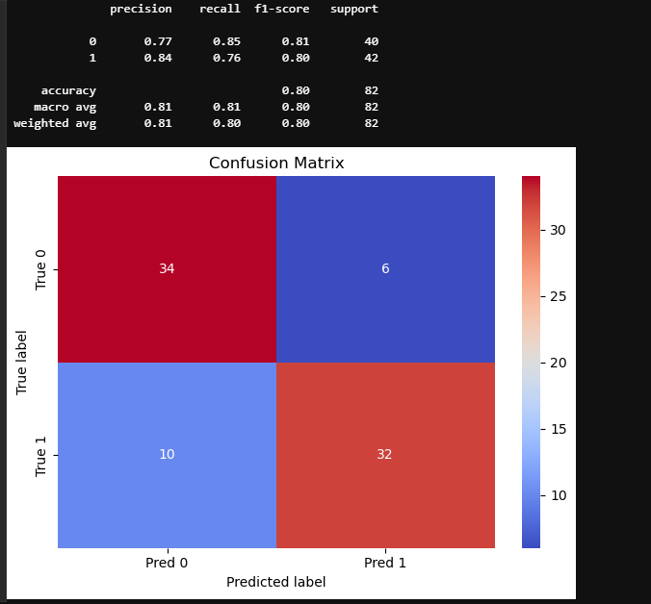
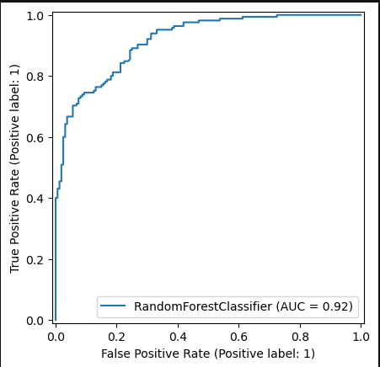
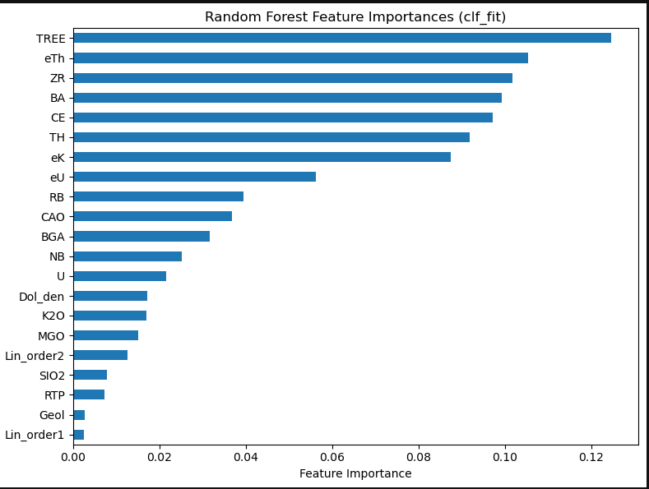
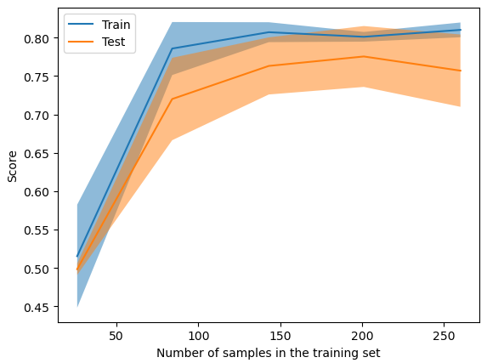
mean | std
fit_time | 1.503594 | 0.071682
score_time | 0.055505 | 0.009644 | test_accuracy | 0.763077 | 0.041567 | 0.695385 | 0.02528 | 0.704615 | 0.078748 | 0.704615 | 0.050324 | 0.683077 | 0.023332 | 0.698462 | 0.041567
test_accuracy | 0.763077 | 0.041567 | train_accuracy | 0.812308 | 0.009183 | 0.736923 | 0.014544 | 0.751538 | 0.014544 | 0.745385 | 0.012581 | 0.734615 | 0.018244 | 0.745385 | 0.010673
train_accuracy | 0.812308 | 0.009183 | test_precision | 0.798023 | 0.050283 | 0.701767 | 0.034056 | 0.758042 | 0.118909 | 0.72589 | 0.061301 | 0.710863 | 0.041903 | 0.702639 | 0.056617
test_precision | 0.798023 | 0.050283 | train_precision | 0.855244 | 0.01507 | 0.752589 | 0.018253 | 0.815927 | 0.027334 | 0.766797 | 0.016505 | 0.772594 | 0.019449 | 0.750755 | 0.015513
train_precision | 0.855244 | 0.01507 | test_recall | 0.715152 | 0.045957 | 0.70303 | 0.081312 | 0.630303 | 0.078437 | 0.678788 | 0.092412 | 0.642424 | 0.075454 | 0.715152 | 0.087302
test_recall | 0.715152 | 0.045957 | train_recall | 0.759091 | 0.018087 | 0.718182 | 0.013552 | 0.660606 | 0.024781 | 0.716667 | 0.008638 | 0.677273 | 0.04501 | 0.74697 | 0.022473
train_recall | 0.759091 | 0.018087 | test_f1 | 0.753927 | 0.043727 | 0.699348 | 0.037457 | 0.684956 | 0.078872 | 0.698339 | 0.060463 | 0.671297 | 0.03781 | 0.705392 | 0.04587
test_f1 | 0.753927 | 0.043727 | train_f1 | 0.804126 | 0.010306 | 0.734914 | 0.01377 | 0.729632 | 0.016025 | 0.740845 | 0.011332 | 0.720963 | 0.026693 | 0.748599 | 0.011528
train_f1 | 0.804126 | 0.010306

1k_TS01
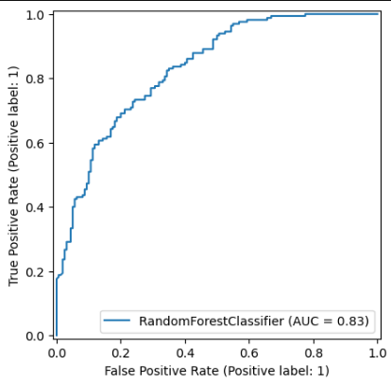
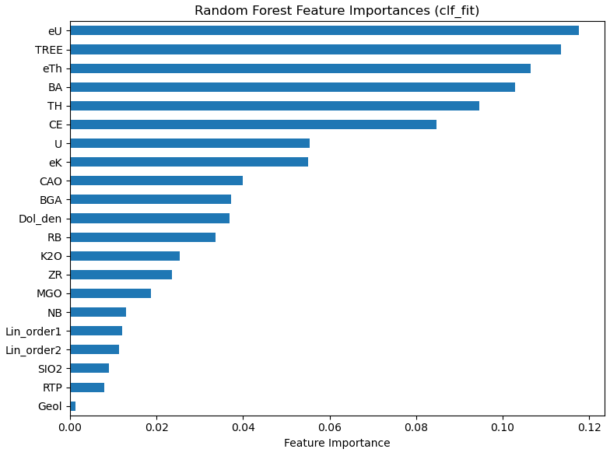
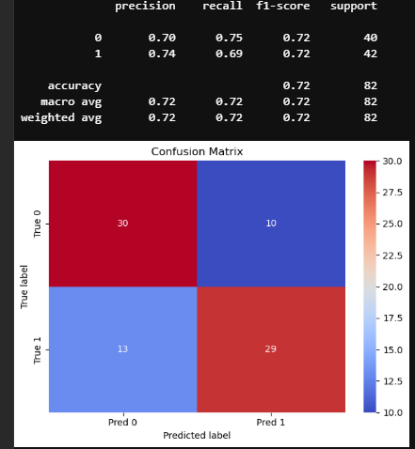
Validation results
 | mean | std
fit_time | 1.426205 | 0.017376
score_time | 0.050005 | 0.007083
test_accuracy | 0.695385 | 0.02528
train_accuracy | 0.736923 | 0.014544
test_precision | 0.701767 | 0.034056
train_precision | 0.752589 | 0.018253
test_recall | 0.70303 | 0.081312
train_recall | 0.718182 | 0.013552
test_f1 | 0.699348 | 0.037457
train_f1 | 0.734914 | 0.01377

1k_TS02
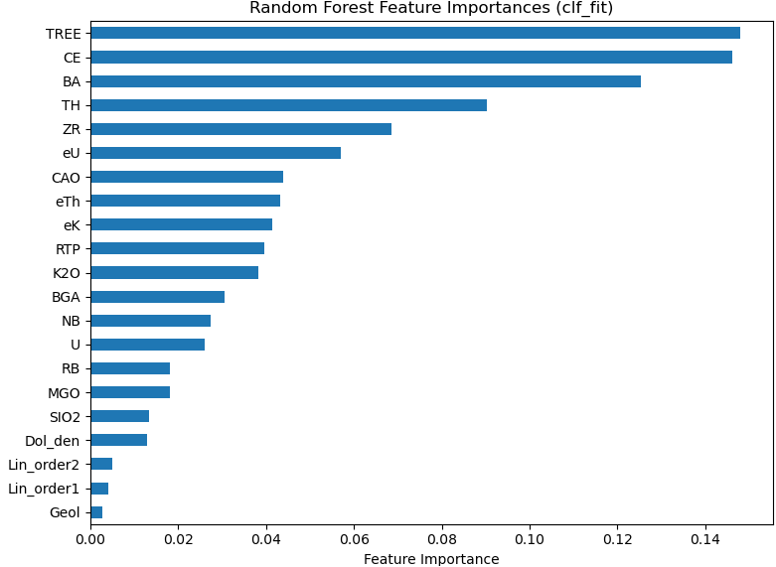
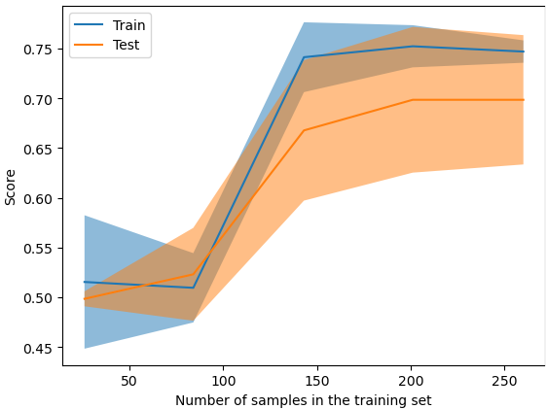
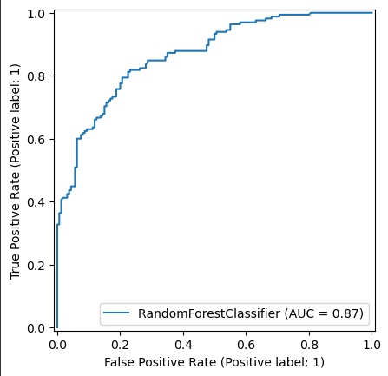
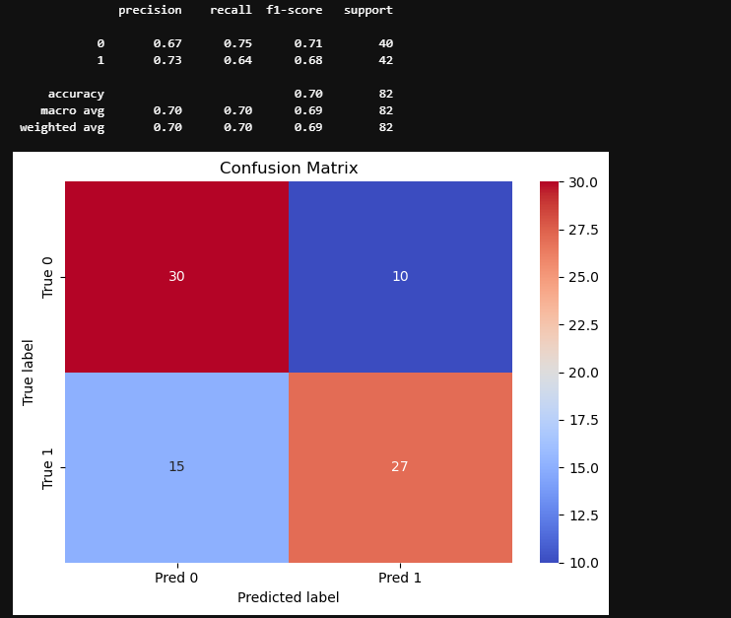
Validation results
 | mean | std
fit_time | 1.608096 | 0.247492
score_time | 0.055057 | 0.00769
test_accuracy | 0.704615 | 0.078748
train_accuracy | 0.751538 | 0.014544
test_precision | 0.758042 | 0.118909
train_precision | 0.815927 | 0.027334
test_recall | 0.630303 | 0.078437
train_recall | 0.660606 | 0.024781
test_f1 | 0.684956 | 0.078872
train_f1 | 0.729632 | 0.016025

1k_TS03
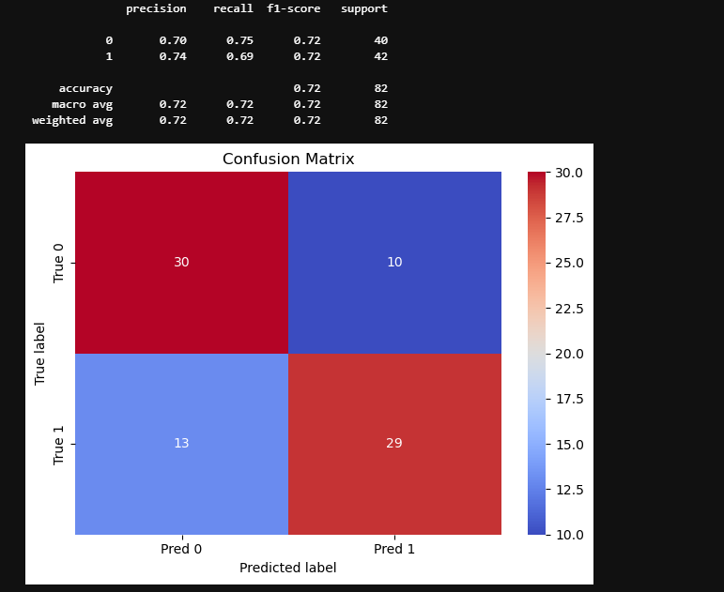
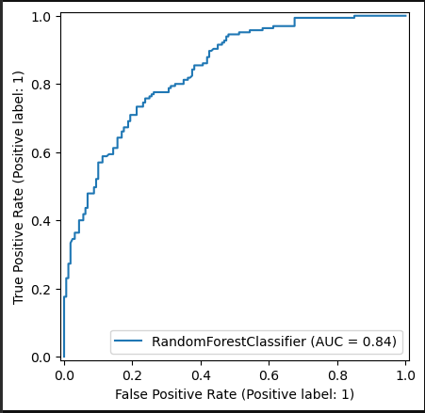
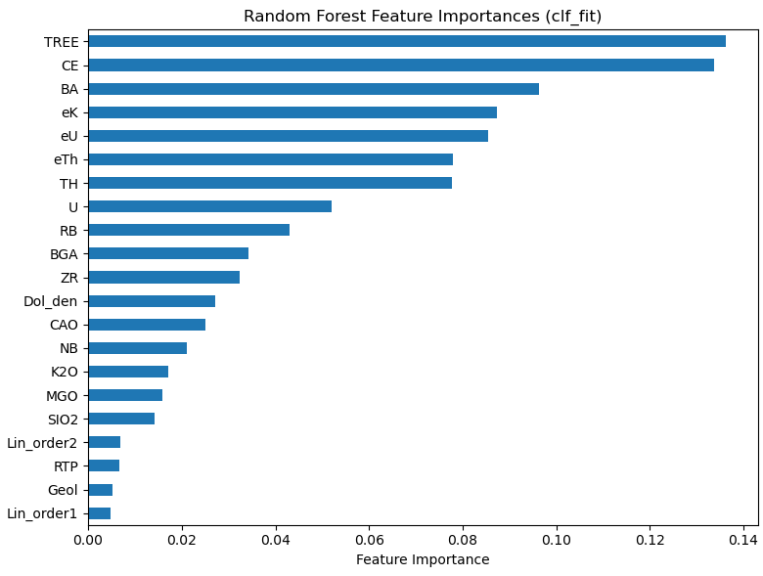
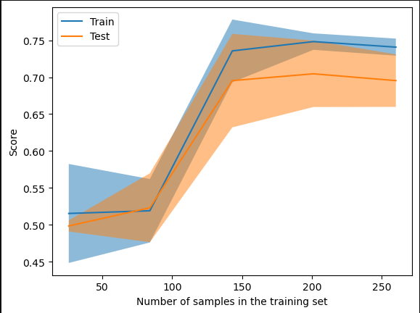
mean | std
fit_time | 1.429822 | 0.013688
score_time | 0.053303 | 0.008688
test_accuracy | 0.704615 | 0.050324
train_accuracy | 0.745385 | 0.012581
test_precision | 0.72589 | 0.061301
train_precision | 0.766797 | 0.016505
test_recall | 0.678788 | 0.092412
train_recall | 0.716667 | 0.008638
test_f1 | 0.698339 | 0.060463
train_f1 | 0.740845 | 0.011332

1K_TS04
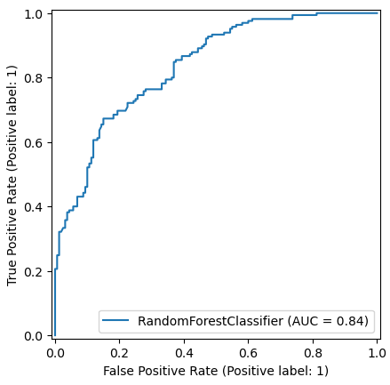
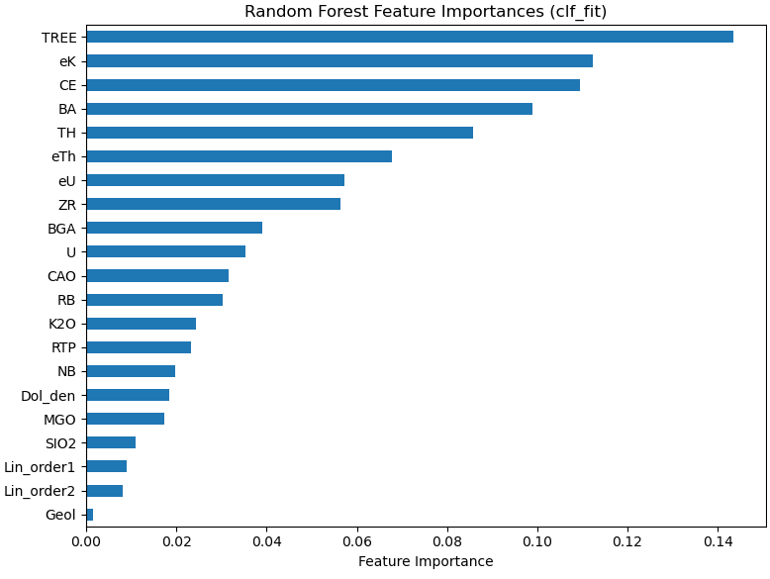
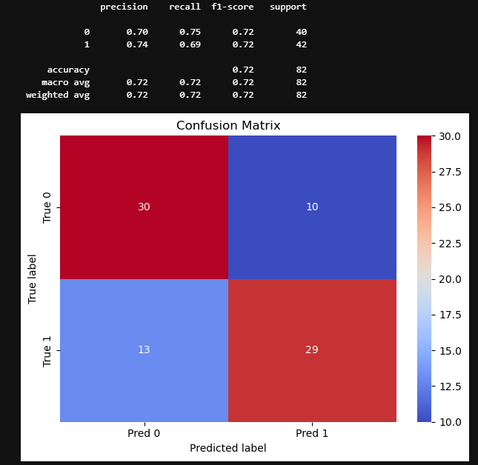
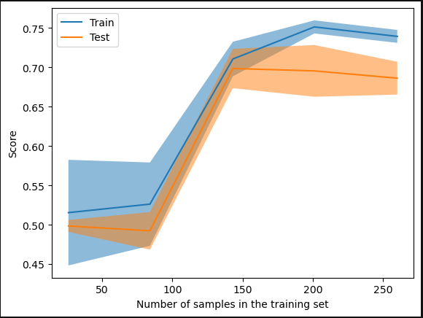
mean | std
fit_time | 1.568272 | 0.161079
score_time | 0.06103 | 0.010358
test_accuracy | 0.683077 | 0.023332
train_accuracy | 0.734615 | 0.018244
test_precision | 0.710863 | 0.041903
train_precision | 0.772594 | 0.019449
test_recall | 0.642424 | 0.075454
train_recall | 0.677273 | 0.04501
test_f1 | 0.671297 | 0.03781
train_f1 | 0.720963 | 0.026693

1k_TS05
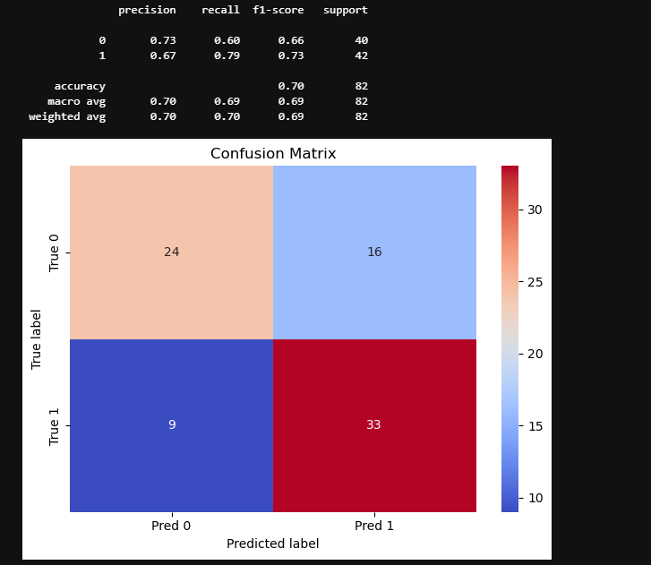
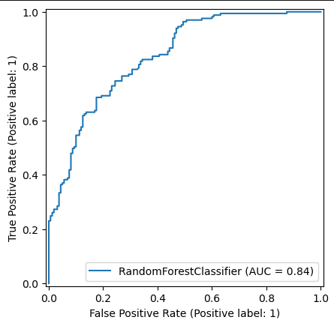
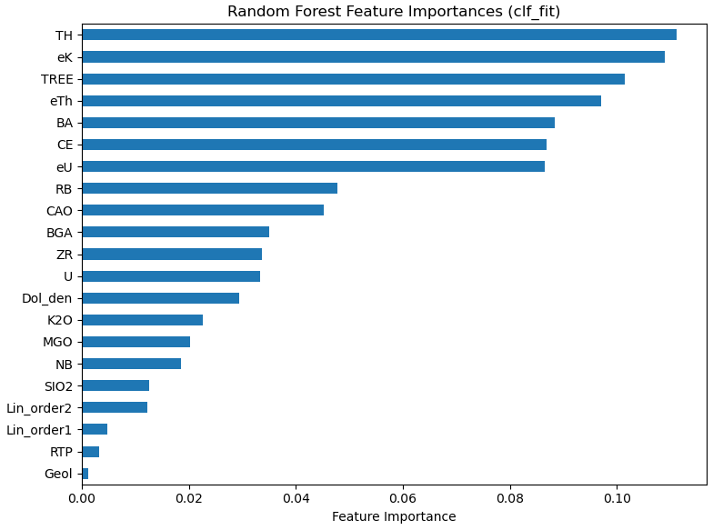
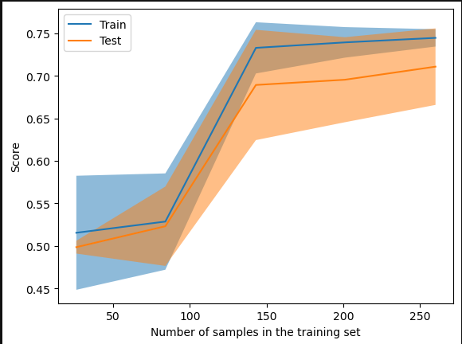
Validation results
mean | std
fit_time | 1.431503 | 0.018944
score_time | 0.052193 | 0.007537
test_accuracy | 0.698462 | 0.041567
train_accuracy | 0.745385 | 0.010673
test_precision | 0.702639 | 0.056617
train_precision | 0.750755 | 0.015513
test_recall | 0.715152 | 0.087302
train_recall | 0.74697 | 0.022473
test_f1 | 0.705392 | 0.04587
train_f1 | 0.748599 | 0.011528

3K_SS01
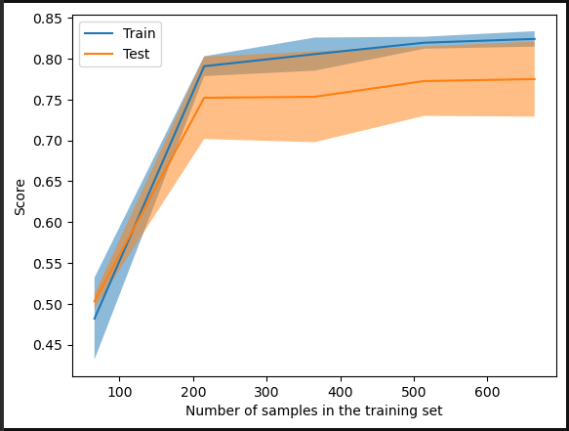
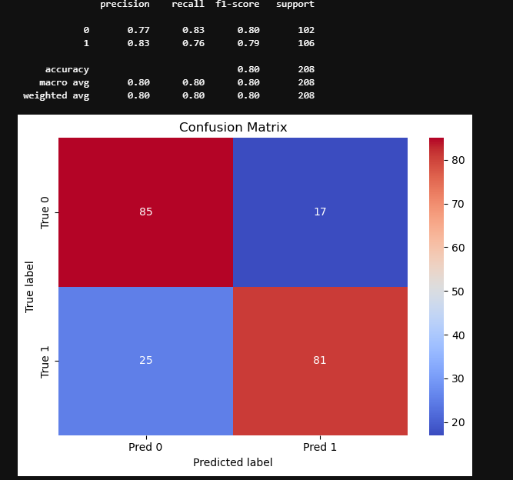
mean | std
fit_time | 1.087003 | 0.059795
score_time | 0.031918 | 0.012442
test_accuracy | 0.782137 | 0.049431
train_accuracy | 0.825509 | 0.010954
test_precision | 0.824768 | 0.04984
train_precision | 0.870626 | 0.009246
test_recall | 0.725602 | 0.066961
train_recall | 0.771866 | 0.015131
test_f1 | 0.771443 | 0.05622
train_f1 | 0.818253 | 0.012104

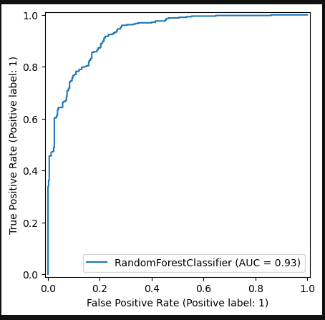
test_accuracy | 0.782137 | 0.049431 | 0.691286 | 0.041858 | 0.710791 | 0.027604 | 0.708352 | 0.022426 | 0.704701 | 0.057208 | 0.694996 | 0.033016
train_accuracy | 0.825509 | 0.010954 | 0.740279 | 0.012014 | 0.743623 | 0.008325 | 0.742712 | 0.004955 | 0.74848 | 0.004419 | 0.749697 | 0.004276
test_precision | 0.824768 | 0.04984 | 0.714136 | 0.045599 | 0.734726 | 0.030214 | 0.734113 | 0.026145 | 0.749154 | 0.056057 | 0.722482 | 0.031639
train_precision | 0.870626 | 0.009246 | 0.773776 | 0.019285 | 0.77041 | 0.006529 | 0.773536 | 0.007788 | 0.793669 | 0.009786 | 0.781462 | 0.010324
test_recall | 0.725602 | 0.066961 | 0.668852 | 0.073711 | 0.685434 | 0.045813 | 0.6807 | 0.065416 | 0.638207 | 0.082259 | 0.661765 | 0.075859
train_recall | 0.771866 | 0.015131 | 0.699766 | 0.013889 | 0.713952 | 0.015748 | 0.706265 | 0.004477 | 0.690314 | 0.013726 | 0.71277 | 0.024616
test_f1 | 0.771443 | 0.05622 | 0.688914 | 0.048797 | 0.708579 | 0.031368 | 0.704679 | 0.032278 | 0.688085 | 0.068008 | 0.688884 | 0.045347
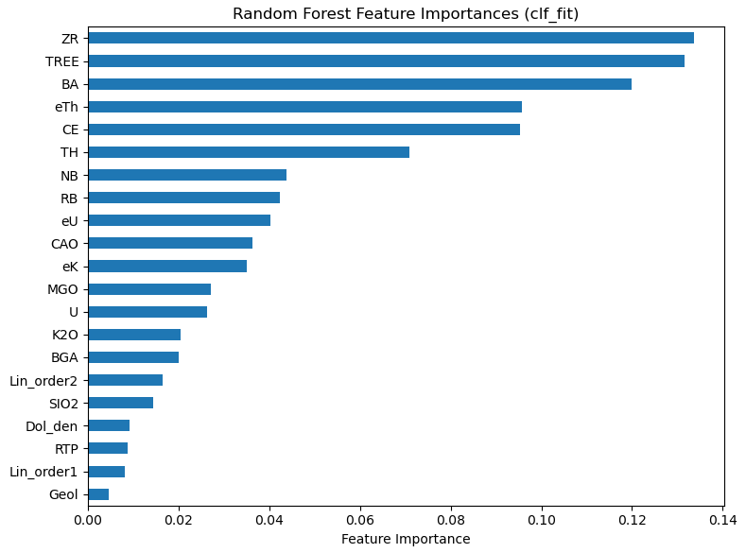
train_f1 | 0.818253 | 0.012104 | 0.734743 | 0.010711 | 0.741047 | 0.010155 | 0.738348 | 0.004082 | 0.738266 | 0.005935 | 0.745207 | 0.009391

3K_TS01
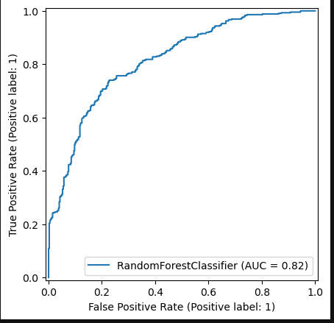
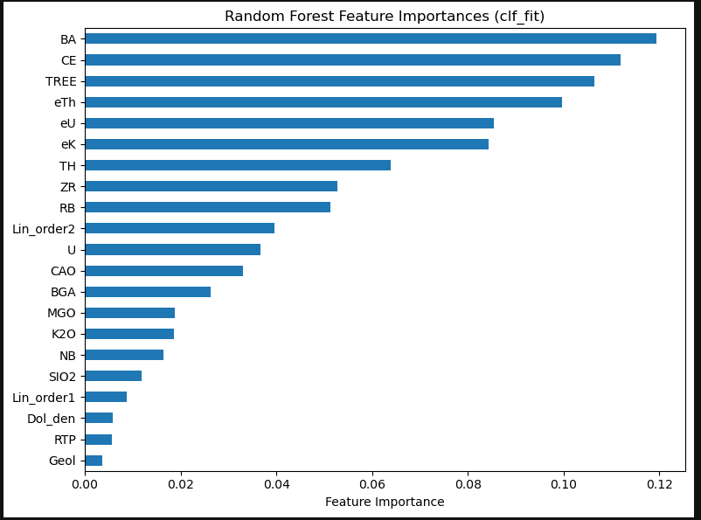
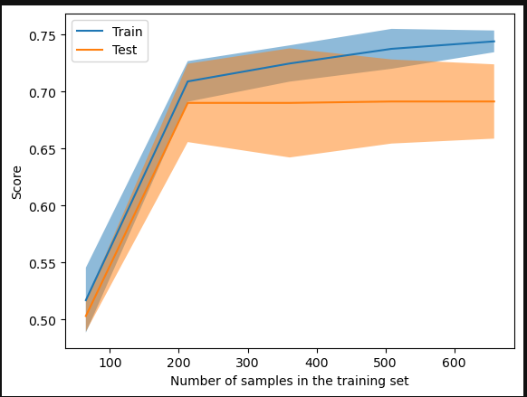
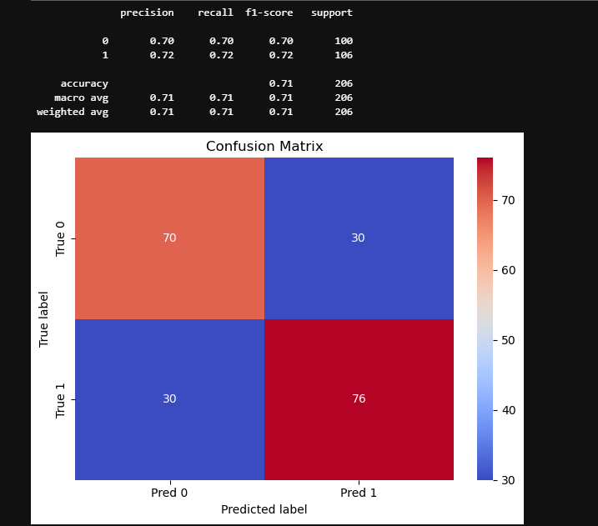
mean | std
fit_time | 0.984 | 0.126517
score_time | 0.025633 | 0.007984
test_accuracy | 0.691286 | 0.041858
train_accuracy | 0.740279 | 0.012014
test_precision | 0.714136 | 0.045599
train_precision | 0.773776 | 0.019285
test_recall | 0.668852 | 0.073711
train_recall | 0.699766 | 0.013889
test_f1 | 0.688914 | 0.048797
train_f1 | 0.734743 | 0.010711

3K_TS02
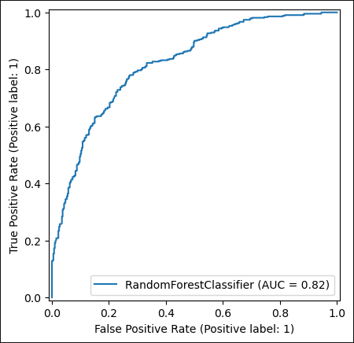
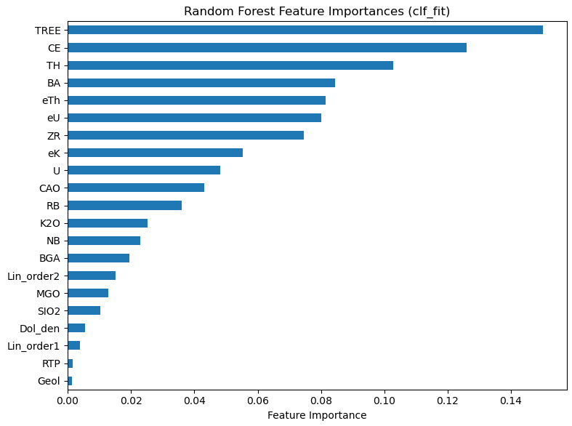
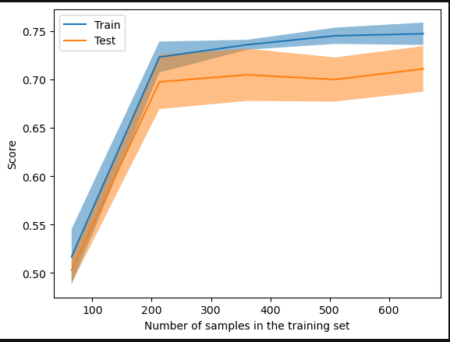
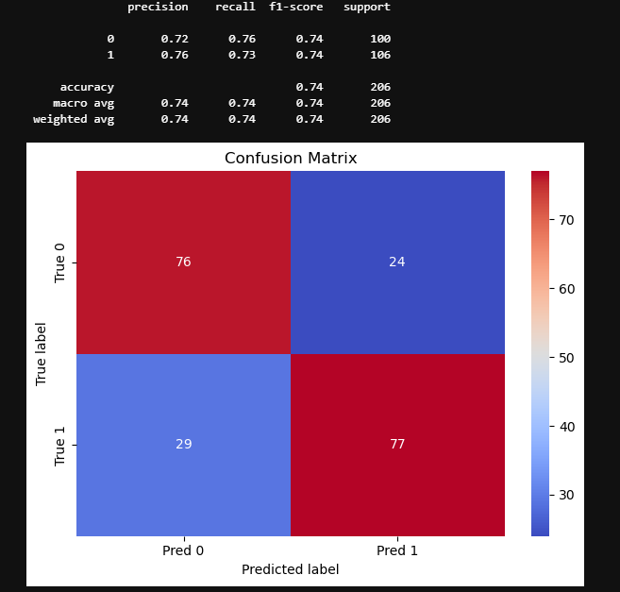
 | mean | std
fit_time | 0.978462 | 0.093717
score_time | 0.030282 | 0.008037
test_accuracy | 0.710791 | 0.027604
train_accuracy | 0.743623 | 0.008325
test_precision | 0.734726 | 0.030214
train_precision | 0.77041 | 0.006529
test_recall | 0.685434 | 0.045813
train_recall | 0.713952 | 0.015748
test_f1 | 0.708579 | 0.031368
train_f1 | 0.741047 | 0.010155

3K_TS03
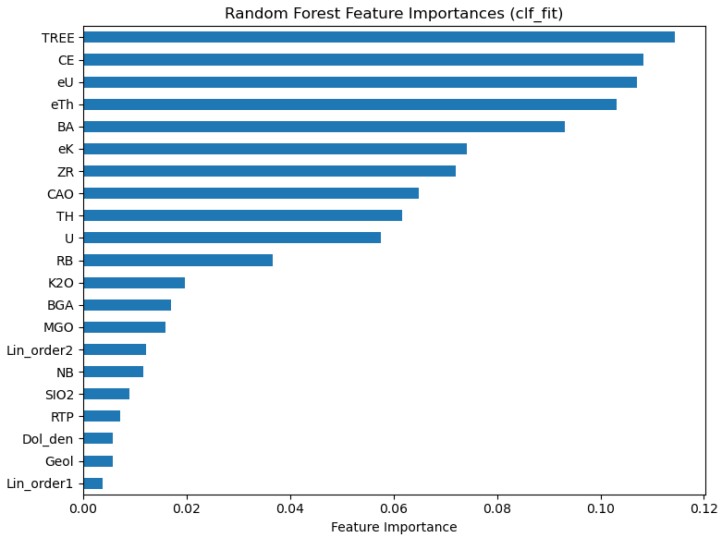
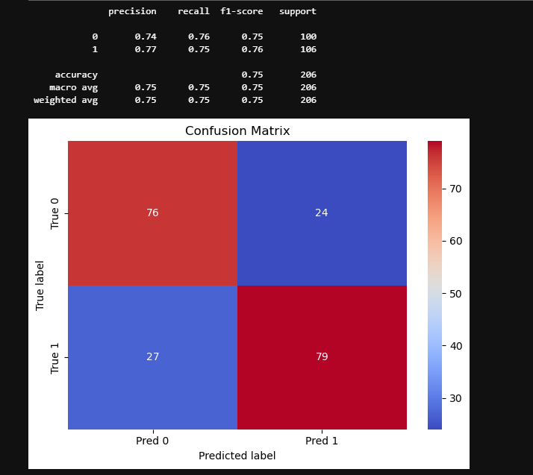
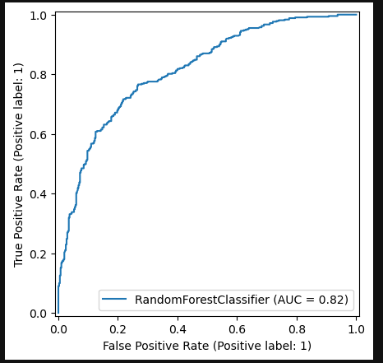
 | mean | std
fit_time | 0.965029 | 0.052822
score_time | 0.023184 | 0.00177
test_accuracy | 0.708352 | 0.022426
train_accuracy | 0.742712 | 0.004955
test_precision | 0.734113 | 0.026145
train_precision | 0.773536 | 0.007788
test_recall | 0.6807 | 0.065416
train_recall | 0.706265 | 0.004477
test_f1 | 0.704679 | 0.032278
train_f1 | 0.738348 | 0.004082

3K_TS04
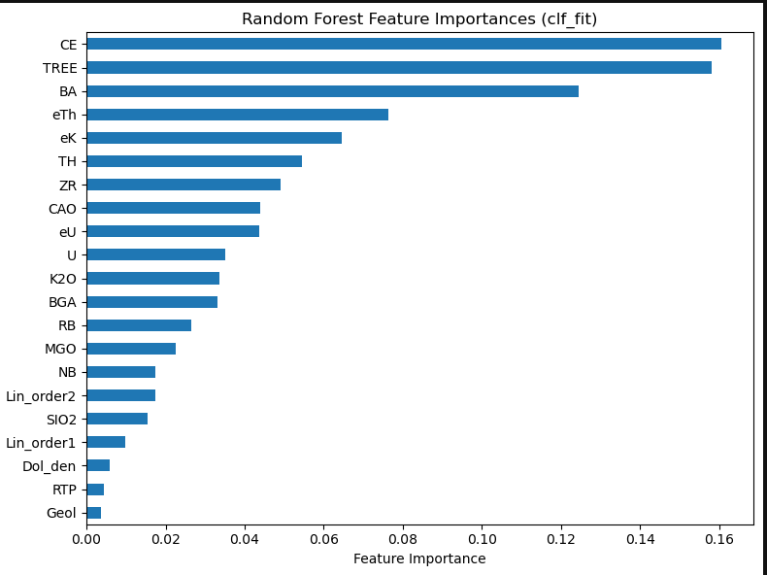
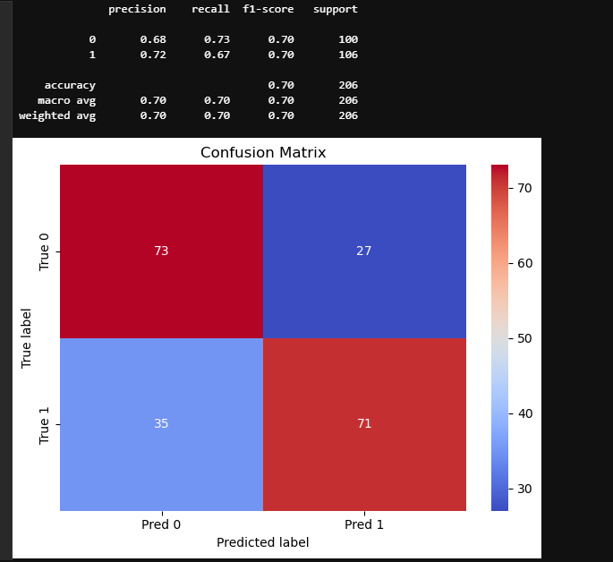
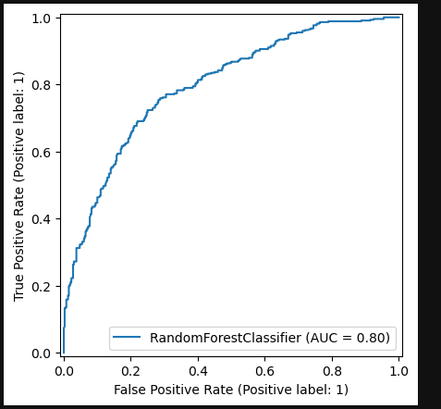
mean | std
fit_time | 0.98492 | 0.088322
score_time | 0.022333 | 0.000468
test_accuracy | 0.704701 | 0.057208
train_accuracy | 0.74848 | 0.004419
test_precision | 0.749154 | 0.056057
train_precision | 0.793669 | 0.009786
test_recall | 0.638207 | 0.082259
train_recall | 0.690314 | 0.013726
test_f1 | 0.688085 | 0.068008
train_f1 | 0.738266 | 0.005935

3K_TS05
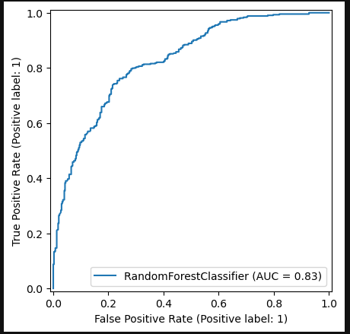
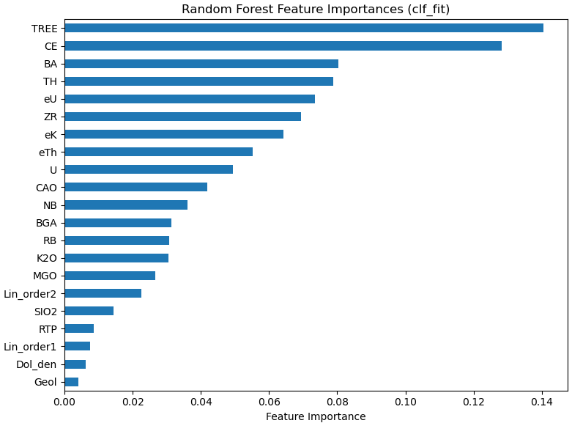
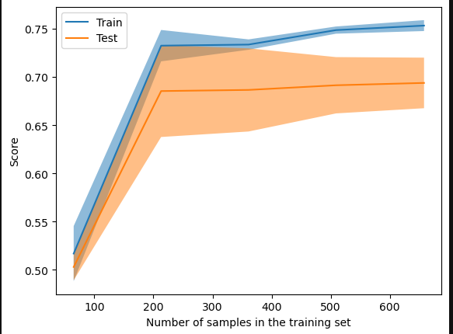
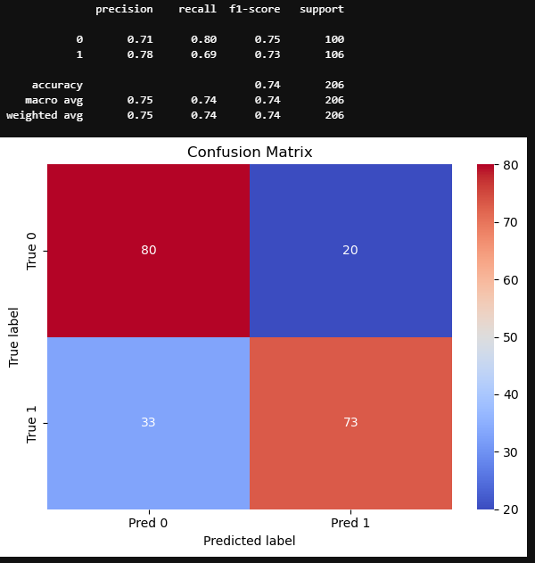
 | mean | std
fit_time | 0.976655 | 0.059463
score_time | 0.022 | 0.001225
test_accuracy | 0.694996 | 0.033016
train_accuracy | 0.749697 | 0.004276
test_precision | 0.722482 | 0.031639
train_precision | 0.781462 | 0.010324
test_recall | 0.661765 | 0.075859
train_recall | 0.71277 | 0.024616
test_f1 | 0.688884 | 0.045347
train_f1 | 0.745207 | 0.009391

